FAIR
 | FAIR - Fiduciary Asset Investment Restraint - Test Model Illustration
FAIR is a fiduciary duty for businesses and investors, to limit their extraction of profits from the commons at times of distress like now. Funds normally spent only on ways to take ever more back would be instead spent on relieving growing environmental and societal distress from "having put too many cows on the commons." The solution is to sell some cows to share the wealth and spend on good works rather than for concentrating ever more.
These sample calculations are preliminary. The question is, What would be FAIR?, and how do we make it universal.
The accumulation of unearned income (profits) away from endless compounding is done by rules for businesses and investors to invest in non-profits, public works or distributions with direct impact relieving global crises, or pay a tax.
It's our duty to take care of the earth. Unearned savings are savings from profits, capital gains and dividend income, i.e. from extracting rather than creating wealth. The object is to limit the concentration of wealth invested extracting growing wealth from the earth. That means the FAIR principles guide investors on the use unearned income.
Rules waived for investment income up to double of saved earned income. See full concept statement: https://synapse9.com/signals/2020/05/26/global-fiduciary-duty-for-investors/
2020 - 5/25/, 6/30 Jessie Henshaw - sy@synapse9.com
 |  |  | 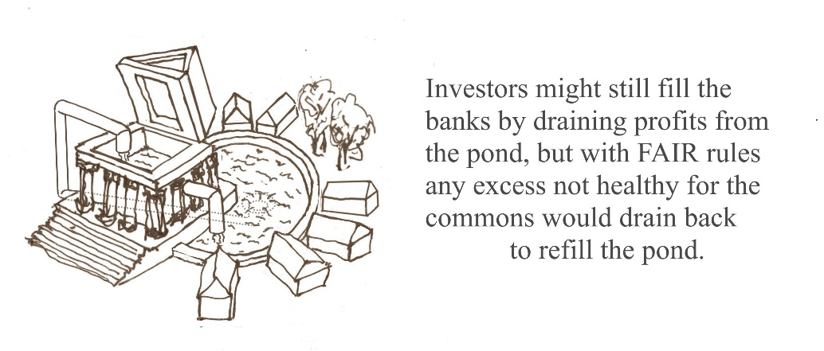

 | Test Settings (feedback welcome) |  | Please comment if you see a better way, or something wrong with this way
 | Personal Earned Savings allowance. To allow workers to earn from investments as much as they save from work | Business Earned Savings allowance - a fraction of total capitalization from accumulated profits | Std. FAIR Investment % - A rate that will increase then decrease as the pressure on the commons is relieved. | Bank FAIR Investment % - A rate that will increase and decrease as the pressure on the commons is relieved | Alternate FAIR Distribution % - An alternate rate of unearned asset distribution | Alternate FAIR Taxation % - An alternate rate of unearned asset Taxation |  | The intent is to let business work normal but reduce the overall compounding of returns on investment amd distrobite profits to relieve the overconcentration of wealth and over capitalization of the commons placing undue burdens on the earth and societies.
 | 100% | 50% | 20% | 12% | 10% | 8%

 |  | Individual A | Individual B | Business A | Hedge Fund A | Bank A
A | Total Savings | $150,000 | $75,000 | $1,000,000,000 | $1,000,000,000 | $100,000,000,000 | A | DATA entry -The total savings combines accumulated earned and unearned (profit) income
B | Exempt Savings from Earned Income | $60,000 | $60,000 | $800,000,000 | $1,000,000 | $100,000,000 | B | DATA entry - The portion of savings that originated from payment for services, not as a % or profits
D | Unearned Savings | $90,000 | $15,000 | $200,000,000 | $999,000,000 | $99,900,000,000 | D | Source of easrned income savings
E | 100% Earned Savings Allowance | $60,000 | $60,000 | $400,000,000 | $500,000 | $50,000,000 | E | = Earned Savings Allowance X' Earned Savings

F | FAIR Basis | $30,000 | $0 | $0 | $998,500,000 | $99,850,000,000 | F | = Excess of Unearned aboved Earned savings
G | 20% Annual FAIR Investment | $6,000 | $0 | $0 | $119,820,000 | $11,982,000,000 | G | Alt share of FAIR Savings to hold in ESG Impact or NonProfit Funds
 |  | OR | OR | OR | OR | OR
H | 10% Annual FAIR Distribution | $3,000 | $0 | $0 | $99,850,000 | $9,985,000,000 | H | Alt share of FAIR Savings to donate to ESG Impact and NonProfit Funds
 |  | OR | OR | OR | OR | OR
I | 8% Alternate Tax | $2,400 | $0 | $0 | $79,880,000 | $7,988,000,000 | I | Alt share of FAIR Savings to distribute in taxes

Dow&Nasdaq
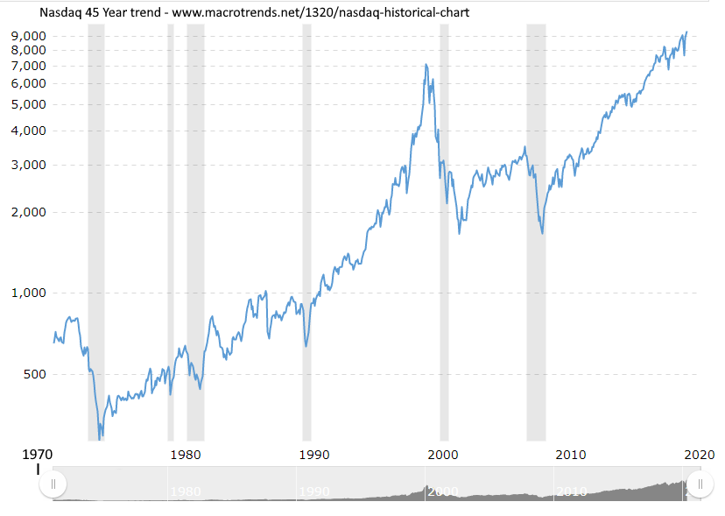
Fiduciary Asset Investment Duty Notes

Market charts for help estimating long term unearned asset appreciation over time
Dow 50 yr | https://www.macrotrends.net/1319/dow-jones-100-year-historical-chart
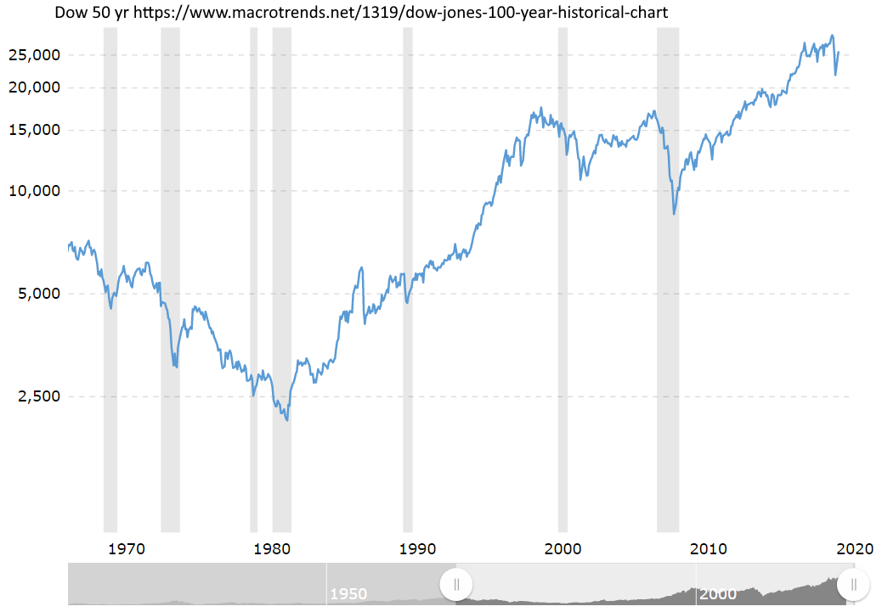

Nasdaq 45 yr | https://www.macrotrends.net/1320/nasdaq-historical-chart

